Indices

 | Iraq Stock Exchange
 | Bulletin No (45)
 | ISX Trading Indices of Monday 9/3/2026

 | Traded Volume and OTC |  | 1,297,109,288 |  | Traded Value and OTC |  | 1,288,893,006 |  | Traders | 817

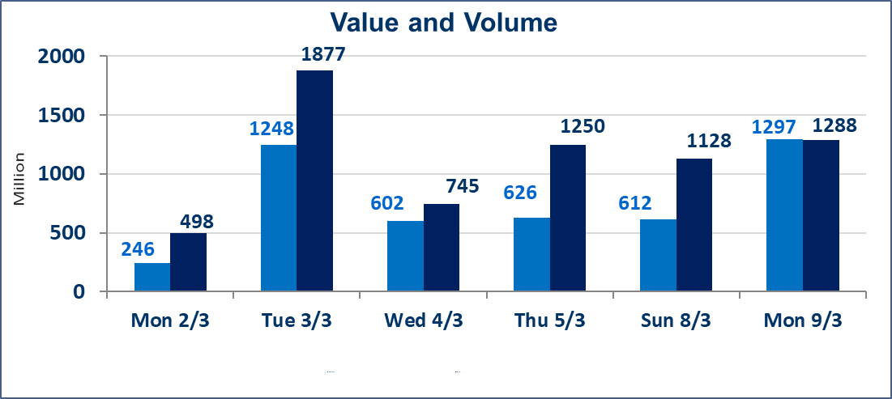
 | ISX Index 60 |  |  | 956.12 | ISX Index 15 |  |  | 1209.68
 | Previous ISX Index60 |  |  | 954.44 | Previous ISX Index15 |  |  | 1209.56
 | Change % |  |  | 0.18 | Change % |  |  | 0.01
 | Change |  |  | 1.68 | Change |  |  | 0.12

 | Listed Companies | 104 | OTC | 14 | Non Traded listed | 44 | OTC | 13
 | Traded Listed Companies | 49 | OTC | 1 | Higher Companies |  |  | 17
 | GAM Companies |  |  | 1 | Lower Companies |  |  | 15
 | Suspended Companies |  |  | 10
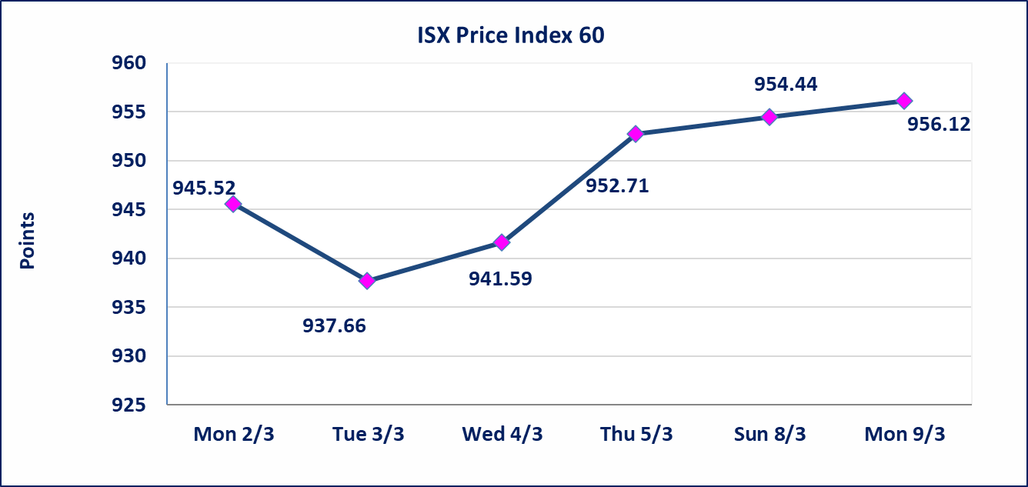
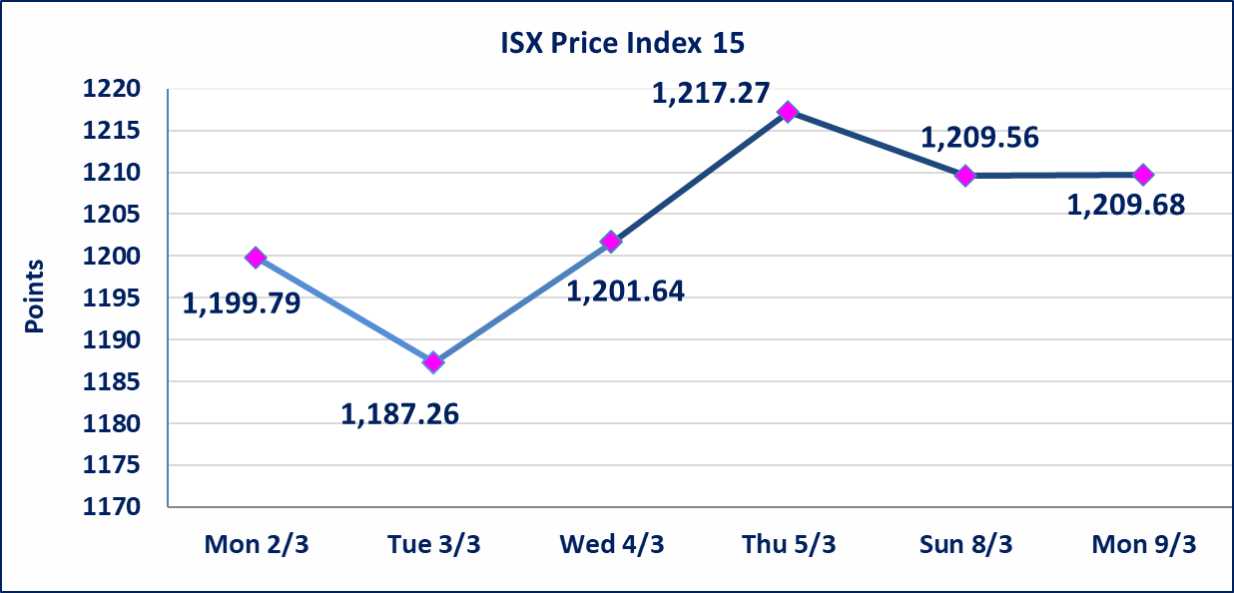

Al-Alwiya P.O . 3607 Mobile: 07711211522 - 07270094594 - 07834000034 E-mail: info-isx@isx-iq.net Web site:www.isx-iq.net

Top 5
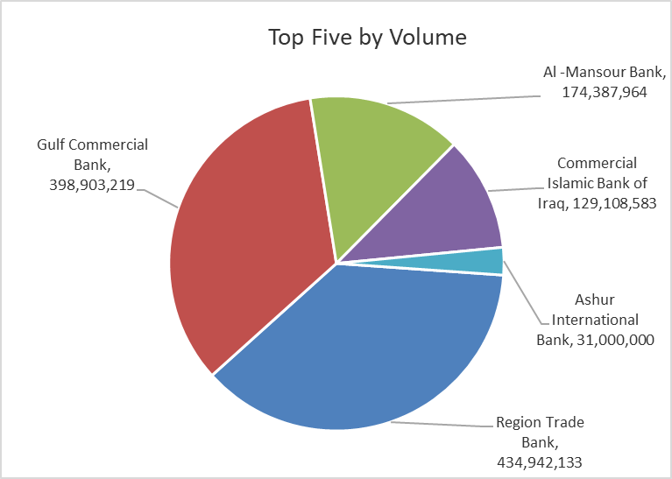
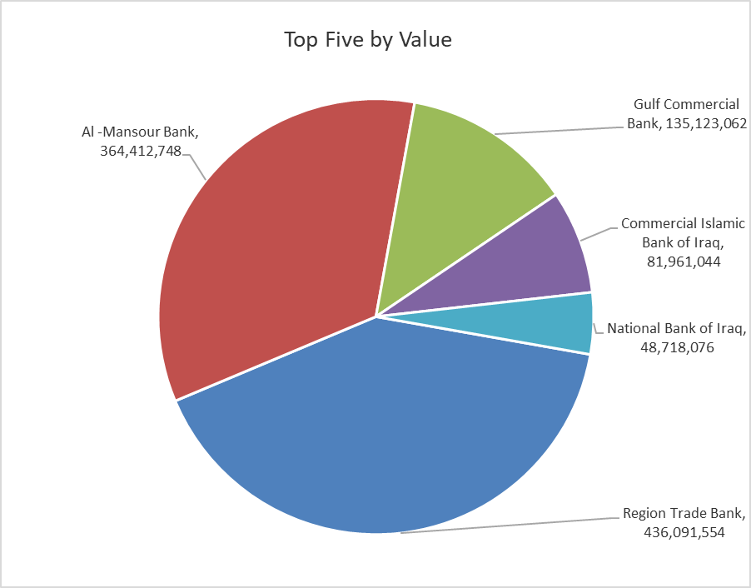

ISX top ganing and losing companies
Monday 9/3/2026
 | Gainers |  |  |  | Losers
 | Company Name | Closing Price | Change (%) | Traded Volume | Company Name | Closing Price | Change (%) | Traded Volume
 | Mosul Bank For Investment | 0.140 | 7.69 | 25,000,000 | Babil Animal & Vegetable Production | 6.650 | -4.86 | 151,653
 | Al-Hamraa for Insurance | 3.810 | 4.96 | 10,000 | AL-Badia for General Trans | 0.840 | -4.55 | 470,616
 | Iraqi Carton Manufactories | 2.840 | 4.80 | 252,500 | Al-Ahlyia agricultural production | 2.550 | -3.41 | 66,353
 | Modern Construction Materials | 1.140 | 4.59 | 677,867 | Rehab Karbalaa | 0.660 | -2.94 | 9,785
 | The Light Industries | 1.260 | 3.28 | 5,858,040 | Al-Khatam Telecom | 3.500 | -2.78 | 161,104
 | The most active companies in term of traded volume and value

 | Traded Volume |  |  |  | Traded Value
 | Company Name | Closing Price | Change (%) | Traded Volume | Company Name | Closing Price | Change (%) | Traded Value
 | Region Trade Bank | 1.010 | 1.00 | 434,942,133 | Region Trade Bank | 1.010 | 1.00 | 436,091,554
 | Gulf Commercial Bank | 0.340 | 3.03 | 398,903,219 | Al -Mansour Bank | 2.090 | -0.48 | 364,412,748
 | Al -Mansour Bank | 2.090 | -0.48 | 174,387,964 | Gulf Commercial Bank | 0.340 | 3.03 | 135,123,062
 | Commercial Islamic Bank of Iraq | 0.630 | -1.56 | 129,108,583 | Commercial Islamic Bank of Iraq | 0.630 | -1.56 | 81,961,044
 | Ashur International Bank | 0.230 | 0.00 | 31,000,000 | National Bank of Iraq | 4.600 | 0.00 | 48,718,076

Non Iraqi

Iraq Stock Exchange
Non Iraqis' Bulletin Monday March 9 2026
Regular Market

Non Iraqi Trading of Regular Market (Buy)
Company Names | Code | No.of trades | Traded Shares | Trading Volume
Banks Sector
Gulf Commercial Bank | BGUC | 10 | 26,344,502 | 8,693,686
Total Bank sector |  | 10 | 26,344,502 | 8,693,686
Grand Total |  | 10 | 26,344,502 | 8,693,686

Non Iraqi Trading of Regular Market (Sell)
Company Names | Code | No.of trades | Traded Shares | Trading Volume
Banks Sector
Bank Of Baghdad | BBOB | 4 | 2,149,951 | 6,598,850
Total Bank sector |  | 4 | 2,149,951 | 6,598,850
Grand Total |  | 4 | 2,149,951 | 6,598,850

Non Iraqi Trading of Second Market (BUY)
Company Names | Code | No. of trades | Traded Volume | Traded Value
Banks Sector
Credit Bank Of Iraq | BROI | 3 | 1,092,494 | 666,421
Total Bank sector |  | 3 | 1,092,494 | 666,421
Grand Total |  | 3 | 1,092,494 | 666,421

Not Trading Bonds

Iraq Stock Exchange
Monday 9/3/2026
Not Trading Bonds Bulletin
Bond type | Publish type | Code | last trading price | immortilize date
Banaa Bonds /Million ID | Second | CB20 | 964,981 | 19/12/2025
Eamar Bonds /Million ID | First | CB30 | 1,001,095 | ــــــــــــــــ
Eamar Bonds /Million ID | Second | CB40 | ــــــــــــــــ | ــــــــــــــــ
Eamar Bonds /500 Thousand ID | Third | CB45 | ــــــــــــــــ | ــــــــــــــــ
Eamar Bonds /Million ID | Third | CB50 | ــــــــــــــــ | ــــــــــــــــ
Injaz Bonds /500 Thousand ID | First | CB55 | ــــــــــــــــ | ــــــــــــــــ
Injaz Bonds /Million ID | First | CB60 | ــــــــــــــــ | ــــــــــــــــ
Injaz Bonds /500 Thousand ID | Second | CB65 | 503,793 | ــــــــــــــــ
Injaz Bonds /Million ID | Second | CB70 | 1,026,082 | ــــــــــــــــ
Injaz Bonds /500 Thousand ID | Third | CB75 | ــــــــــــــــ | ــــــــــــــــ
Injaz Bonds /Million ID | Third | CB80 | 978,182 | ــــــــــــــــ
National Bonds/Million ID | First | CB90 | ــــــــــــــــ | ــــــــــــــــ
National Bonds/500 Thousand ID | Second | CB95 | ــــــــــــــــ | ــــــــــــــــ
National Bonds/Million ID | Second | CB100 | ــــــــــــــــ | ــــــــــــــــ

